Avg shipping price_container
Row Labels | average_shippingprice_items
Delivery Truck
Jumbo Box | $1.97
Jumbo Drum | $1.65
Regular Air
Jumbo Box | $0.16
Jumbo Drum | $0.19
Large Box | $1.27
Medium Box | $0.46
 | Total
Jumbo Box | $1.97
Jumbo Drum | $1.65
Jumbo Box | $0.16
Jumbo Drum | $0.19
Large Box | $1.27
Medium Box | $0.46
Small Box | $0.29
Small Pack | $0.17
Wrap Bag | $0.10
Large Box | $1.17
Medium Box | $0.56
Small Box | $0.29
Small Pack | $0.18
Wrap Bag | $0.10
Small Box | $0.29
Small Pack | $0.17
Wrap Bag | $0.10
Express Air
Large Box | $1.17
Medium Box | $0.56
Small Box | $0.29
Small Pack | $0.18
Wrap Bag | $0.10
Grand Total | $0.50

sum of sales _orderdate
Sum of Sale amount | Column Labels
 | 2014 | 2015 | 2016 | Grand Total

Row Labels
John | $1,232,242 | $1,274,509 | $1,191,350 | $3,698,101
Richard | $1,542,980 | $1,100,026 | $1,146,687 | $3,789,693
Bob | $1,373,385 | $1,130,775 | $1,076,004 | $3,580,164
Grand Total | $4,148,606 | $3,505,310 | $3,414,042 | $11,067,958

sum of sale _ category
Row Labels | Sum of Sale amount
Bob
Accessories | $99,596
Bikes | $2,418,195
Clothing | $48,982
Components | $1,013,391
John
Accessories | $106,453
 | Total
Accessories | $99,596
Bikes | $2,418,195
Clothing | $48,982
Components | $1,013,391
Accessories | $106,453
Bikes | $2,630,071
Clothing | $39,329
Components | $922,248
Accessories | $108,154
Bikes | $2,648,508
Clothing | $41,600
Components | $991,430
Bikes | $2,630,071
Clothing | $39,329
Components | $922,248
Richard
Accessories | $108,154
Bikes | $2,648,508
Clothing | $41,600
Components | $991,430
Grand Total | $11,067,958

Average discount
Sum of Sale amount | Order Date (Year) | Order Date (Quarter) | Order Date (Month) | Order Date

Category

Sum of Sale amount | Column Labels

Row Labels

 |  |  | Row Labels | Average of Discount
 |  |  | Accessories | 5.12%
 |  |  | Bikes | 5.04%
Sum of Sale amount | Column Labels |  | Clothing | 4.83%
 | 2015 |  | Components | 4.88%
 |  |  | Grand Total | 4.97%

Row Labels
Accessories | $106,413
Bikes | $2,344,746
Clothing | $42,056
Components | $1,012,096
Grand Total | $3,505,310

Dash_board
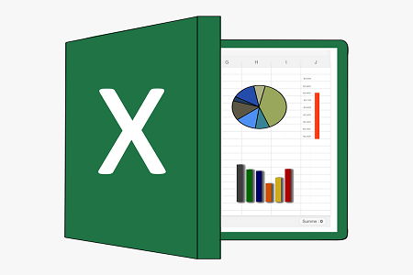
Interactive Dashboard-Sales Dataset
by-chanduvasavi

Avg discount
 | Total
Accessories | 5.12%
Bikes | 5.04%
Clothing | 4.83%
Components | 4.88%

 | Total
Accessories | $99,596
Bikes | $2,418,195
Clothing | $48,982
Components | $1,013,391
Accessories | $106,453
Bikes | $2,630,071
Clothing | $39,329
Components | $922,248
Accessories | $108,154
Bikes | $2,648,508
Clothing | $41,600
Components | $991,430
 | 2014 | 2015 | 2016
John | $1,232,242 | $1,274,509 | $1,191,350
Richard | $1,542,980 | $1,100,026 | $1,146,687
Bob | $1,373,385 | $1,130,775 | $1,076,004

 | Total
Jumbo Box | $1.97
Jumbo Drum | $1.65
Jumbo Box | $0.16
Jumbo Drum | $0.19
Large Box | $1.27
Medium Box | $0.46
Small Box | $0.29
Small Pack | $0.17
Wrap Bag | $0.10
Large Box | $1.17
Medium Box | $0.56
Small Box | $0.29
Small Pack | $0.18
Wrap Bag | $0.10

